Actual Operation Evidence

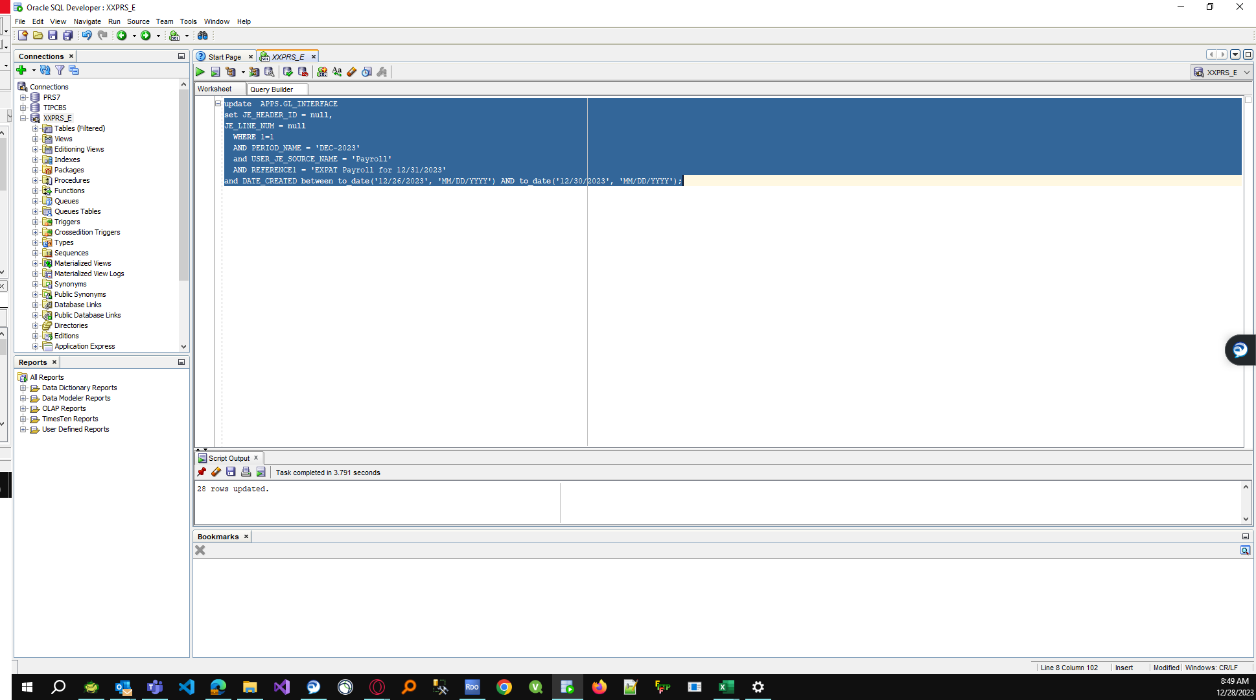
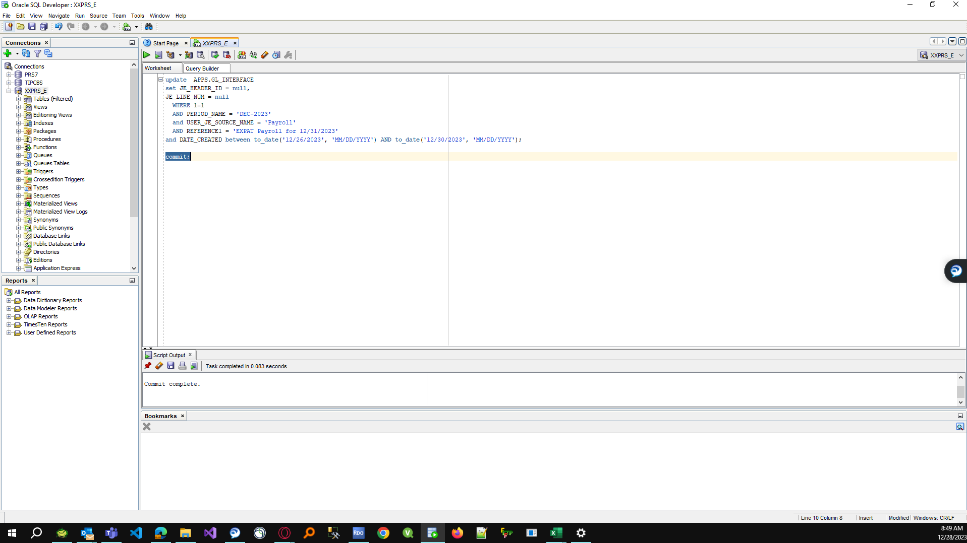
Actual Operation Evidence

update APPS.GL_INTERFACE
set JE_HEADER_ID = null,
JE_LINE_NUM = null
WHERE 1=1
AND PERIOD_NAME = 'DEC-2023'
and USER_JE_SOURCE_NAME = 'Payroll'
AND REFERENCE1 = 'EXPAT Payroll for 12/31/2023'
and DATE_CREATED between to_date('12/26/2023', 'MM/DD/YYYY') AND to_date('12/30/2023', 'MM/DD/YYYY');

Helpdesk Request
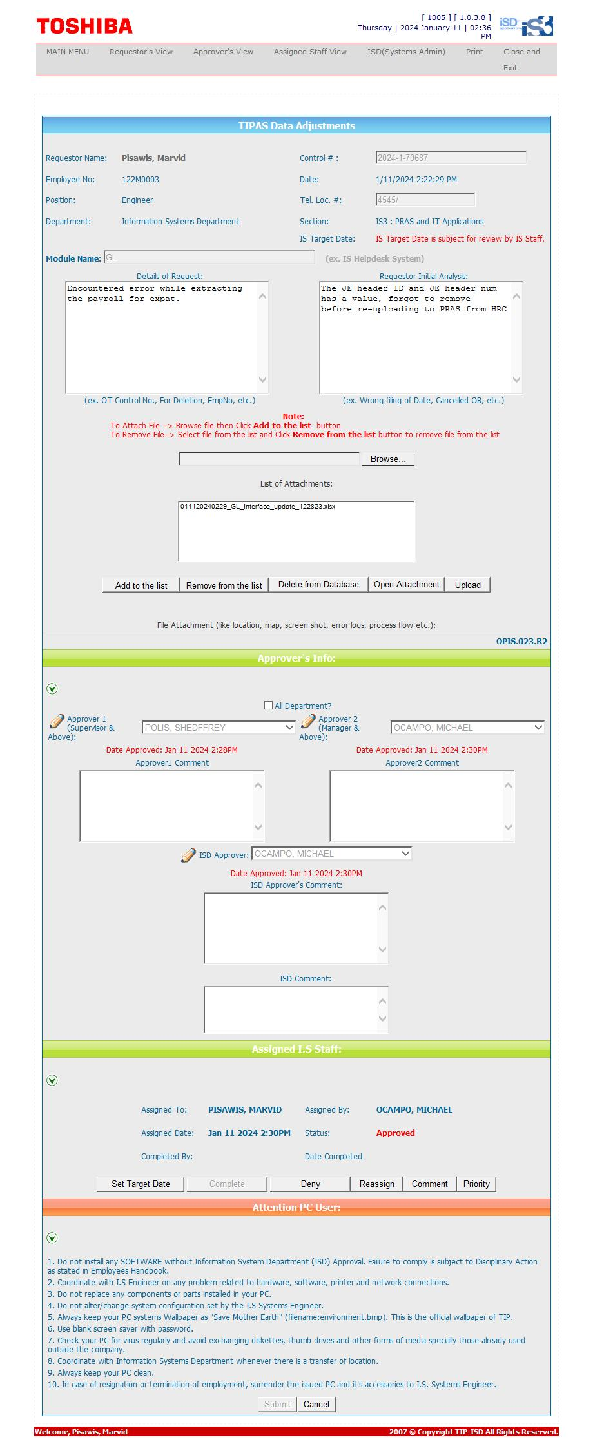
Helpdesk Request

